1. Title Page
Customer Analysis

Project Name: Instacart Customer Analysis
Date: May 4, 2023
Analyst Name: Charles Yi

Contents
Population Flow
Consistency checks
Wrangling steps
Column derivations
Visualizations
Recommendations

Source : “The Instacart Online Grocery Shopping Dataset 2017”, Accessed from https://www.instacart.com/datasets/grocery-shopping-2017 on May 4, 2023.

2. Population Flow
Return to Title Page

Population flow

Orders_products_combined
Orders_products_merged
Orders_products_all

Total: 32,404,859
Total: 32,434,489
Total: 32,404,859

3. Consistency checks
 | Return to Title Page
Consistency checks

Dataset | Missing values | Missing values treatment | Duplicates | Duplicates values treatment
orders | 206,209 values in days_since_prior_order column were null because the orders were first-time orders. | Left the null values as they were and created a flag column annotating the rows with missing values as first-time orders. The rows with values were annotated as return orders. | N/A | N/A
products | Product_name column was missing 16 values. 49,693 total rows in the dataframe. | Removed the missing values; 49,677 rows remaining in the dataframe. | Five duplicate rows | Removed duplicate rows
orders_products_prior | N/A | N/A | N/A | N/A
customers | 11,259 customers were missing first names. | Annotated N/A | N/A | N/A

4. Wrangling steps
 | Return to Title Page
Wrangling steps

Dataset | Columns dropped | Columns renamed | Columns' type changed | Comment/Reason
orders | eval_set |  |  | no statistical value
orders |  | order_dow |  | changed to orders_day_of_week for clarity
orders |  |  | order_id | changed to strings from integers
orders |  |  | order_number | changed to strings from integers
departments |  | departments |  | transposed columns and rows into long format
customers |  | STATE |  | changed to state for consistency
customers |  | AGE |  | changed to age for consistency
customers |  |  | user_id | changed to strings from integers
customers |  |  | date_joined | changed to datetime from string
customers |  | First Name |  | changed to first_name for consistency
customers |  | Last Name |  | changed to last_name for consistency

5. Column derivations
 | Return to Title Page

Column derivations and aggregations

Dataset | New column | Column/s it was derived from | Conditions
orders_products_prior | price_range | prices | prices > 15 --> 'high-range product' prices <= 15 AND > 5 --> 'mid-range product' prices <=5 --> 'low-range product'
orders_products_prior | busiest day | orders_day_of_week | Saturday OR Monday --> 'Busiest days' Tuesday OR Wednesday) --> 'Slowest days' Other days --> 'Regularly Busy'
orders_products_prior | busiest_period_of_day | order_hour_of_day | hours : 9, 10, 11, 12, 13, 14, 15, 16 --> 'Most orders' hours : 7, 8, 17, 18, 19, 20, 21, 22 --> 'Average orders' hours : 0, 1, 2, 3, 4, 5, 6, 23 --> 'Fewest orders'
orders_products_prior | max_order | order_number | maximum number of purchases per order
orders_products_prior | loyalty_flag | max_order | max_order > 40 --> 'Loyal customer' max_order <= 40 AND > 10 --> 'Regular customer' max_order <= 10 --> 'New customer'
orders_products_prior | mean_price | prices | mean prices of purchases per customer
orders_products_prior | spending_class | mean_price | mean_price < 10 --> 'Low spender' mean_price >= 10 --> 'High spender'
orders_products_prior | median_order_interval | days_since_prior_order | median days between orders per customer
customers | frequent_customer | median_order_interval | median_order_interval > 20 --> 'Non-frequent customer' median_order_interval <= 20 AND > 10 --> 'Regular customer' median_order_interal <= 10 --> 'Frequent customer'
customers | age_group | Age | age <= 44 --> 18-44 age > 44 and value <=64 --> 45-64 age >= 65 --> 65+
customers | income_group | income | income >= 25,000 AND <= 74,999 --> 'Low income' income >= 75,000 AND <= 149,999 --> 'Middle income' income >= 150,000 --> 'High income'
customers | family_group | n_dependants | n_dependants = 0 --> 'Single' n_dependants > 0 --> 'Family'

6. Visualizations
 | Return to Title Page

Visualisations

Key Questions

1. The sales team needs to know what the busiest days of the week and hours of the day are (i.e., the days and times with the most orders) in order to schedule ads at times when there are fewer orders.

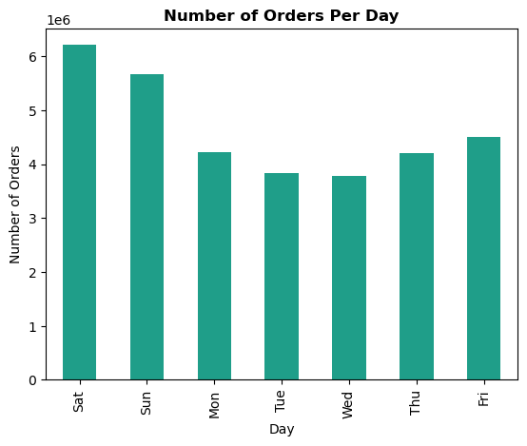
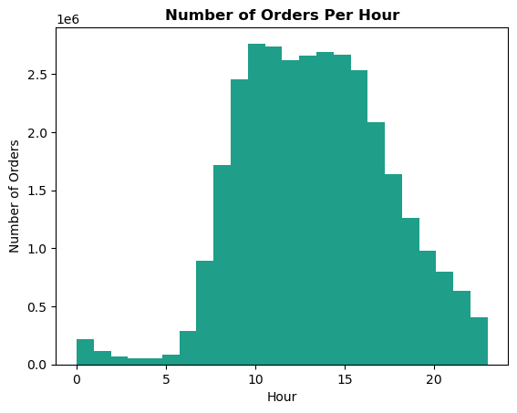

Key Findings • Purchases are low during the workweek and peak during the weekends. Wednesday is Instacart's slowest day. • Purchases are at its lowest during the early morning hours before peaking during late-morning and early-afternoon. Orders gradually decline again in the evening.

2. What are the particular times of the day when people spend the most money?

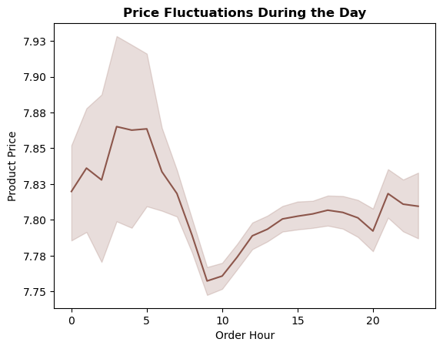
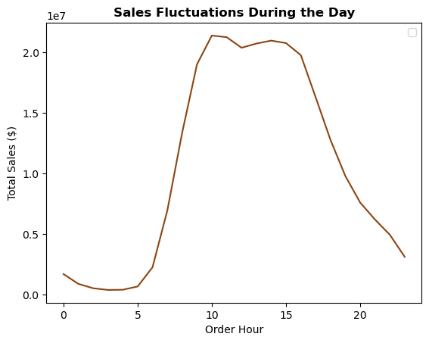

Key Findings • Customer spending per item peaks around 5 am before reaching its lowest point around 10 am; however, the variation in spending per item is minimal and remains relatively stable throughout the day. •

3. Are there certain types of products that are more popular than others?

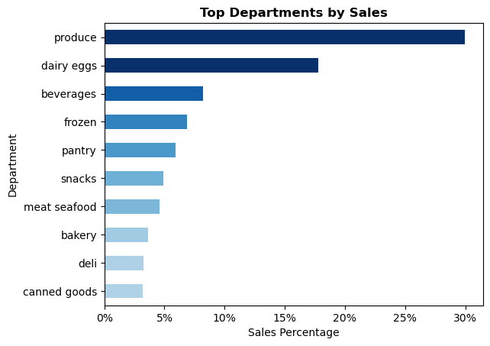
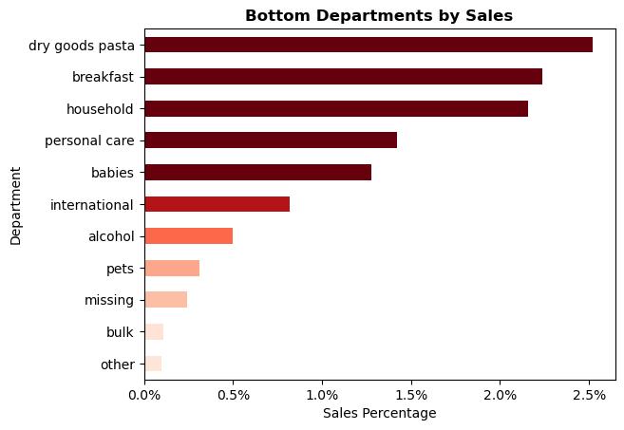

Key Findings • Produce is the most popular department among customers and generates nearly a third of Instacart's revenue. • Dairy/eggs is the second most popular department. Bulk and 'other' items are the least popular among customers.

4. What’s the distribution among users in regards to their brand loyalty (i.e., how often do they return to Instacart)?
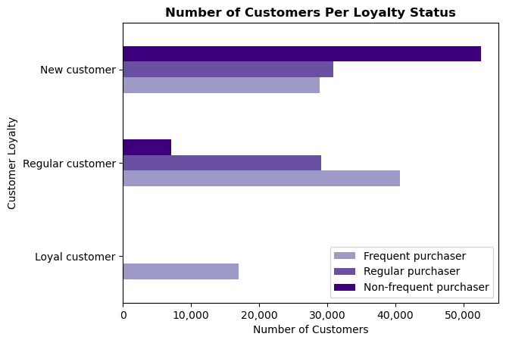

Key Findings • The majority of Instacart's users are new customers; however, new customers are mostly non-frequent purchasers. • The majority of regular customers are frequent purchasers. An overwhelming majority of loyal customers are frequent customers. • This suggests that Instacart is effective at courting new customers, but faces challenges in fostering loyalty among this group.

5. Are there differences in ordering habits based on a customer’s loyalty status?

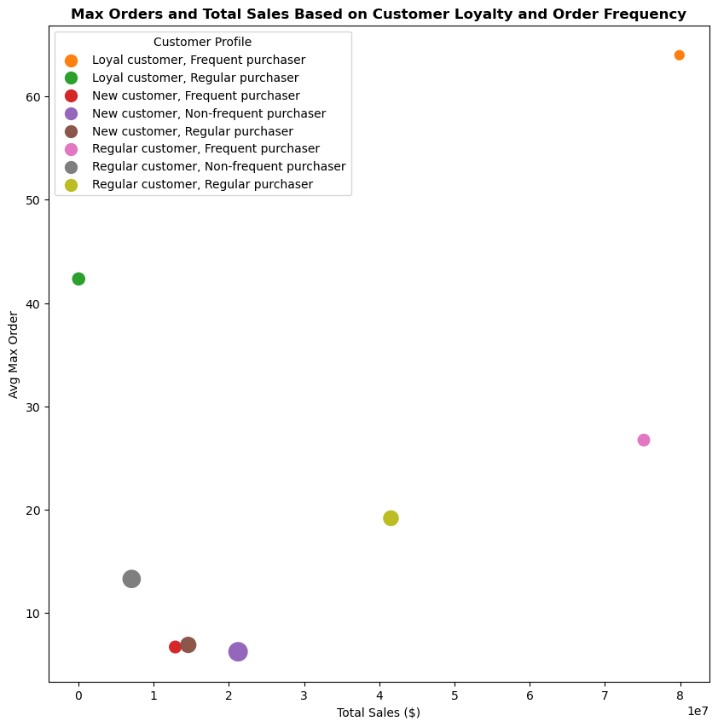
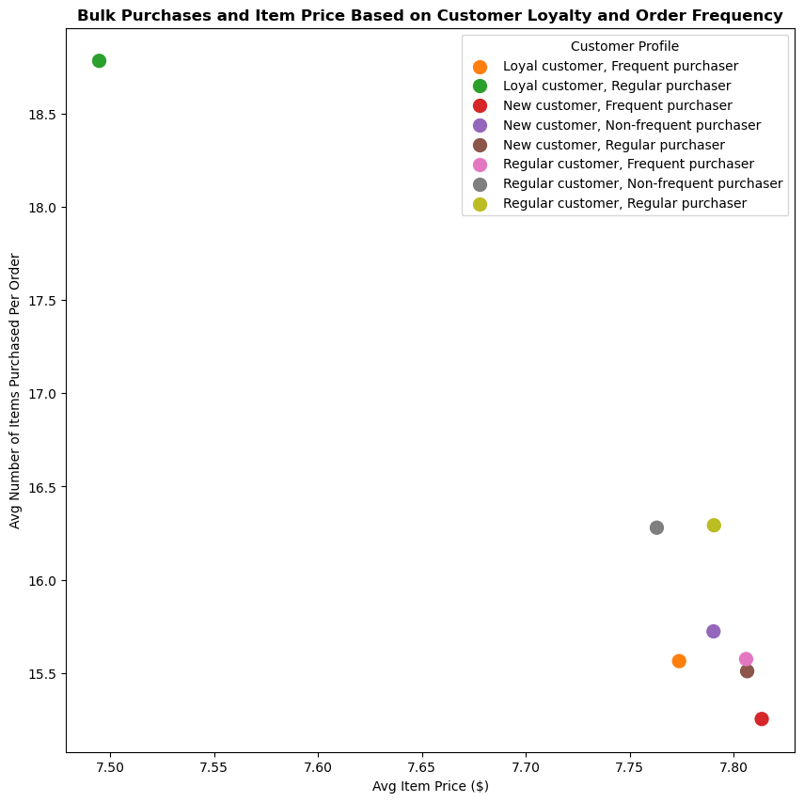

Key Findings • The scatterplot on the left charts customer ordering habits based on average max orders and total sales. Customers were grouped based on their loyalty and purchase frequency. The size of the bubble represents the average number of days in between orders (i.e., smaller bubbles = more active customers). • Loyal and frequent purchasers generate the most sales for Instacart - making a purchase approximately every week. Regular and non-frequent purchasers generate the least sales. • Regular customers make purchases every two weeks. New customers make purchases approximately every three weeks. • The number of customers per loyalty group and purchase frequency seem to be the main driver of sales as other ordering habits are very similiar across groups. • The scatterplot on the right analyzes the number of items purchased by customers per order to see whether there are differences in bulk purchases based on a customer's loyalty status. The number of items purchased per order was compared with average price per item purchased. • There was little variation in prices paid per item, suggesting that customers of different loyalty status generally purchase items in a similar price range. • Loyal customers who were regular purchasers bought the most amount of items per order on average. However, the differences across the groups are minimal. In general, non-frequent purchasers tend to purchase more products per order compared to frequent purchasers.

6. Are there differences in ordering habits based on a customer’s region?

region | avg_orders_day_of_week | avg_order_hour_of_day | avg_days_since_prior_order | avg_price_item ($) | total_sales ($)
South | 2.74 | 13.42 | 11.11 | 7.79 | 84,107,910.40
West | 2.74 | 13.42 | 11.05 | 7.79 | 64,595,126.70
Midwest | 2.74 | 13.44 | 11.18 | 7.79 | 59,192,977.70
Northeast | 2.73 | 13.42 | 11.08 | 7.78 | 44,530,105.80

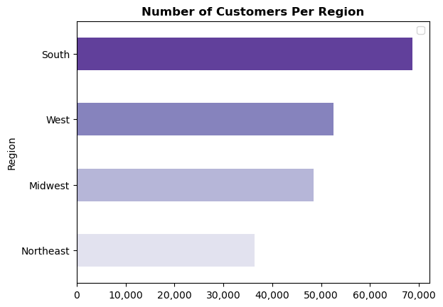

Key Findings • There is very little difference in ordering habits among regions. However, the South leads in sales. This is probably due to the South having the most amount of customers.

7. Is there a connection between age and family status in terms of ordering habits?

age_fam_grouping | avg_orders_day_of_week | avg_order_hour_of_day | avg_days_since_prior_order | avg_price_item ($) | total_sales ($)
Family 18-44 | 2.73 | 13.42 | 11.09 | 7.79 | 80,051,397.40
Family 45-64 | 2.75 | 13.43 | 11.16 | 7.79 | 58,997,216.10
Family 65+ | 2.74 | 13.42 | 11.08 | 7.79 | 50,307,731.00
Single 18-44 | 2.73 | 13.41 | 11.15 | 7.78 | 26,562,114.20
Single 45-64 | 2.73 | 13.46 | 11 | 7.79 | 19,969,748.10
Single 65+ | 2.75 | 13.44 | 11.07 | 7.8 | 16,537,913.80

Key Findings • There are no significant differences in ordering habits between different age and family groups. • Regardless of age and familty status, orders are on average placed on Mondays around 1pm. On average, customers make a purchase every 11 days. • Customers between the ages of 18 and 44 with dependents collectively spent the most on purchases.

8. Sales and Ordering Habits Breakdown by Age, Family, and Income

8a. Age Demographics
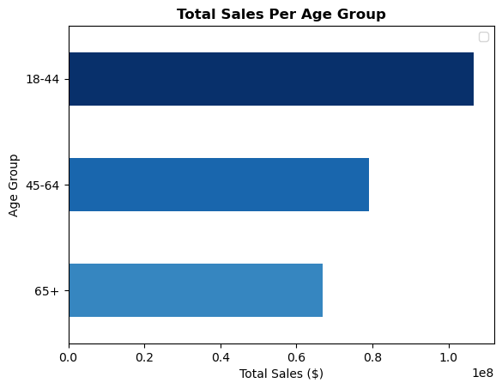
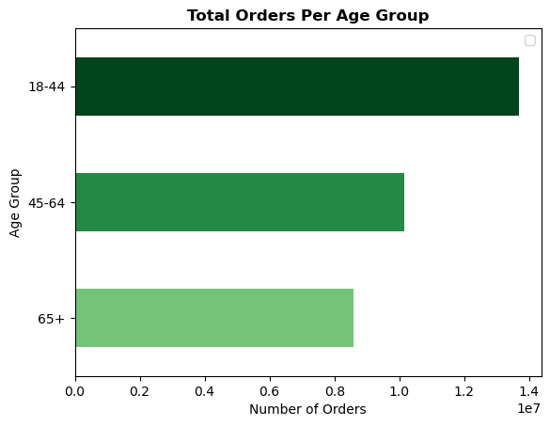
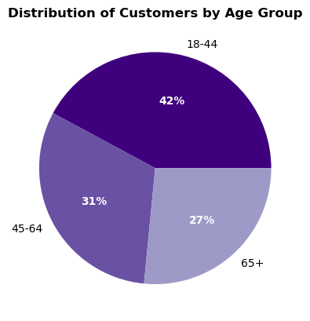

Ordering Habits by Age Group
age_group | avg_price_item ($) | avg_orders_day_of_week | avg_order_hour_of_day | avg_days_since_prior_order
18-44 | 7.79 | 2.73 | 13.42 | 11.11
45-64 | 7.79 | 2.74 | 13.44 | 11.12
65+ | 7.8 | 2.75 | 13.43 | 11.08

Key Findings • Nearly half of Instacart's customers are between 18 and 44. This group also generates the most sales and purchases the most amount of products. • However, there seems to be little to no difference in ordering habits between the age groups.

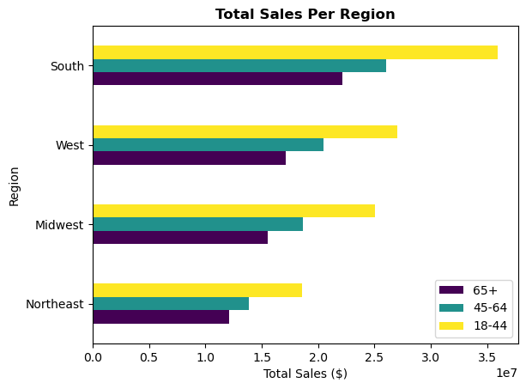
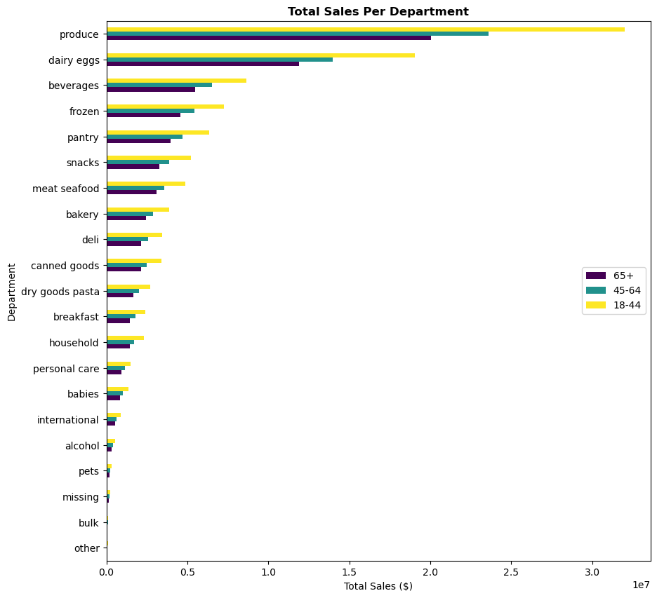

Key Findings • Customers between 18 and 44 generate the most sales across all regions. • The South generates the most sales across all age groups. • Produce is the most popular department across all age groups.

8b. Family Demographics

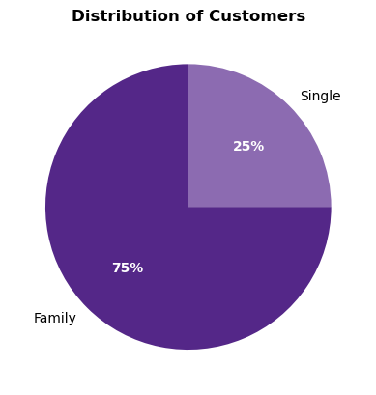
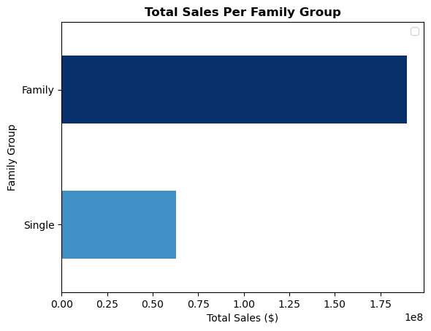
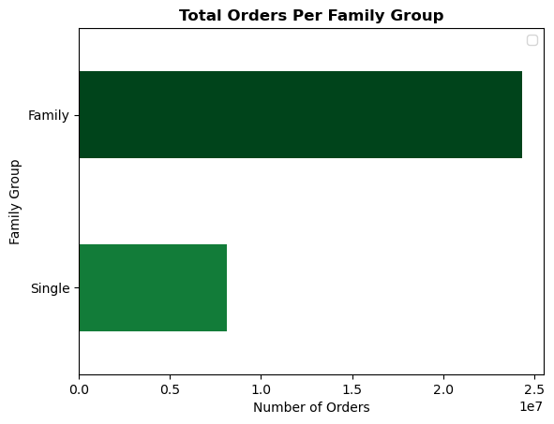

Ordering Habits by Family Group
family_group | avg_price_item ($) | avg_orders_day_of_week | avg_order_hour_of_day | avg_days_since_prior_order
Family | 7.79 | 3 | 13.42 | 11.11
Single | 7.79 | 3 | 13.43 | 11.08

Insight • 75% of Instacart's customers have at least one dependent. These customers also generate the most sales for Instacart.

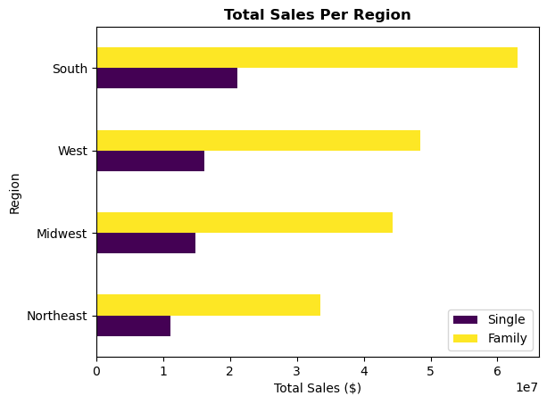
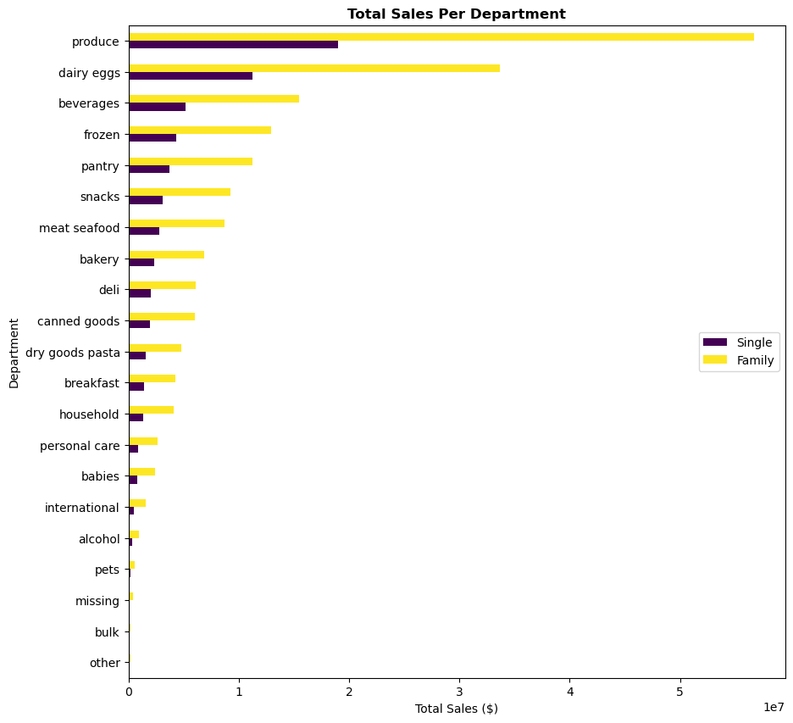

Key Findings • Customers with dependents (family) generate the most sales across all regions. • The South generates the most sales across both groups. • Produce is the most popular department across all family groups.

8c. Income Demographics
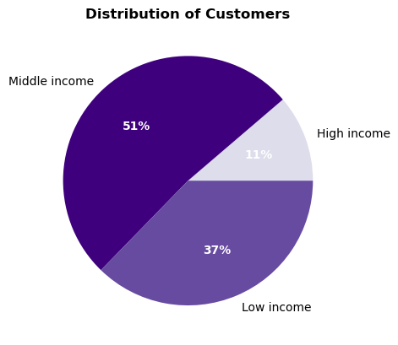
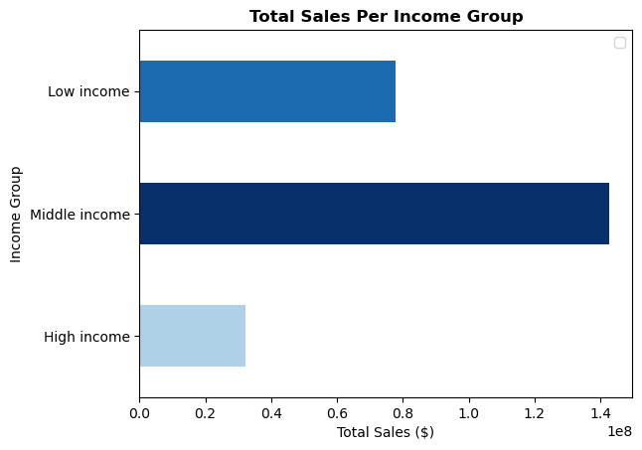
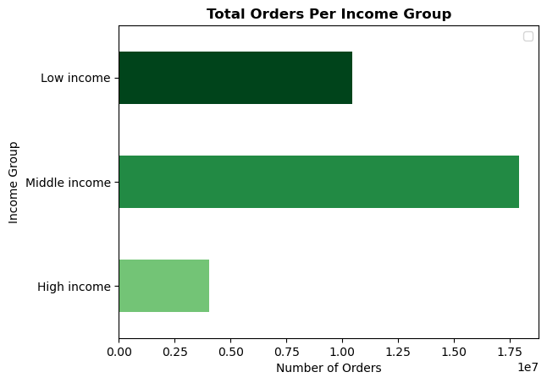

Ordering Habits by Income Group
income_group | avg_price_item ($) | avg_orders_day_of_week | avg_order_hour_of_day | avg_days_since_prior_order
Low income | 7.43 | 2.74 | 13.36 | 11.24
Middle income | 7.96 | 2.74 | 13.46 | 11.06
High income | 7.95 | 2.75 | 13.45 | 10.94

Key Findings • Over half of Instacart's customers are in the middle income bracket. This group also generates the most sales and purchases the most amount of products. • However, there seems to be little to no difference in ordering habits between the income groups.

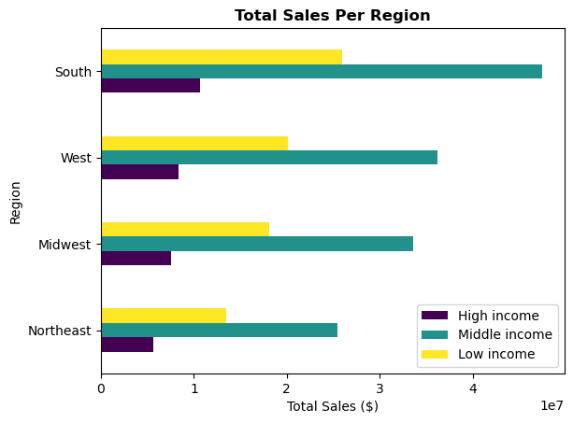
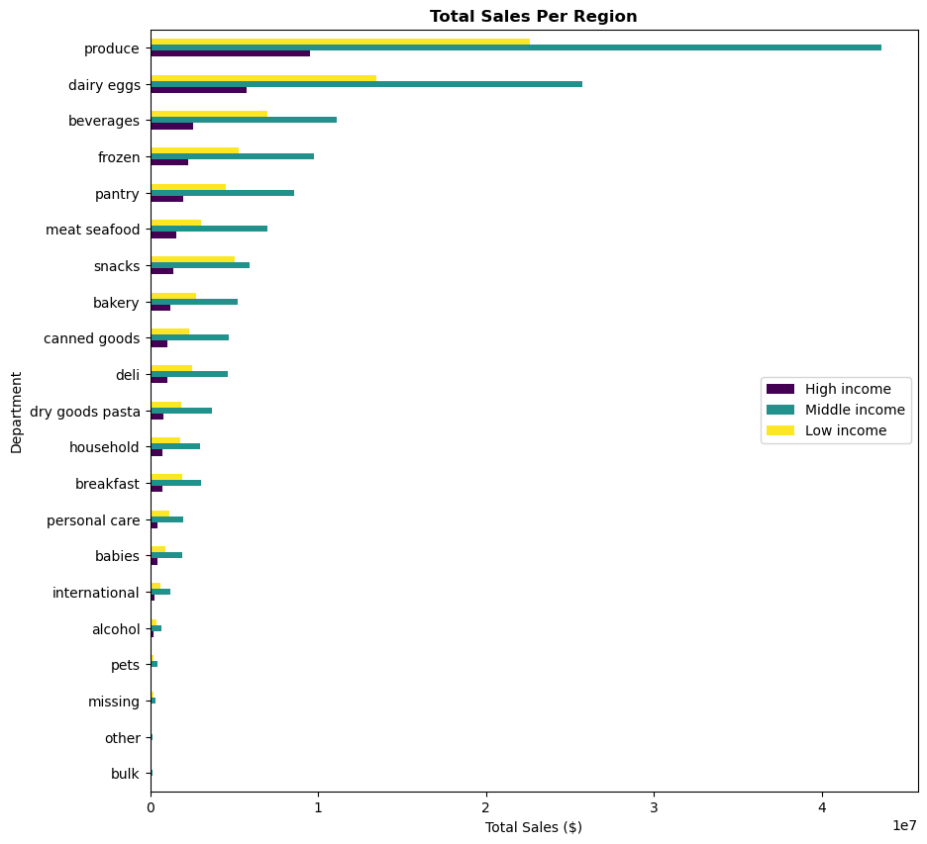

Key Findings • Customers in the middle income bracket generate the most sales across all regions. • The South generates the most sales across all income groups. • Produce is the most popular department across all income groups.

8d. Breakdown of Orders and Sales by Demographic Groups

age_group | income_group | family_group | number_of_orders | total_sales ($)
18-44 | Low income | Family | 5,615,864 | 42,985,285.60
45-64 | Middle income | Family | 4,928,393 | 39,250,200.30
18-44 | Middle income | Family | 4,285,275 | 34,100,263.40
65+ | Middle income | Family | 4,241,386 | 33,778,598.00
18-44 | Low income | Single | 1,890,279 | 14,442,025.20
45-64 | Middle income | Single | 1,673,506 | 13,330,260.40
45-64 | High income | Family | 1,443,444 | 11,457,638.50
18-44 | Middle income | Single | 1,394,242 | 11,099,425.30
65+ | Middle income | Single | 1,387,710 | 11,061,384.40
65+ | High income | Family | 1,198,219 | 9,535,003.40
45-64 | Low income | Family | 1,204,886 | 8,289,377.30
65+ | Low income | Family | 1,015,395 | 6,994,129.60
45-64 | High income | Single | 495,159 | 3,933,157.80
65+ | High income | Single | 410,335 | 3,254,588.70
18-44 | High income | Family | 374,494 | 2,965,848.40
45-64 | Low income | Single | 394,303 | 2,706,329.90
65+ | Low income | Single | 322,039 | 2,221,940.70
18-44 | High income | Single | 129,930 | 1,020,663.70

Key Findings • Customers between the ages of 18 and 44, in the middle income bracket, and with at least one dependent generate the most sales for Instacart.

9. Instacart has a lot of products with different price tags. Marketing and sales want to use simpler price range groupings to help direct their efforts.

Number of Items Sold Per Product Price Range
department | High-range product | Mid-range product | Low-range product
other | 0 | 20,319 | 15,972
bulk | 0 | 33,352 | 1,221
missing | 0 | 49,399 | 19,746
pets | 0 | 68,165 | 29,551 |  | Conditions • prices > 15 --> 'high-range product' • prices <= 15 AND > 5 --> 'mid-range product' • prices <=5 --> 'low-range product
alcohol | 0 | 118,453 | 35,243
international | 0 | 192,279 | 76,974
meat seafood | 412,323 | 296,604 | 0
babies | 0 | 298,485 | 125,317
personal care | 0 | 316,708 | 130,864
household | 0 | 480,397 | 258,269
breakfast | 0 | 483,700 | 219,333
dry goods pasta | 0 | 567,300 | 299,327
deli | 0 | 737,621 | 313,628
canned goods | 0 | 769,375 | 298,683
bakery | 0 | 884,490 | 287,938
snacks | 0 | 1,068,444 | 1,819,106
pantry | 228 | 1,343,277 | 531,864
frozen | 0 | 1,553,331 | 681,412
beverages | 0 | 1,835,149 | 852,974
dairy eggs | 5,127 | 3,962,604 | 1,431,016
produce | 0 | 6,781,408 | 2,697,883

Key Findings • The meat/seafood department sells the most amount of high-range products. • The produce department sells the most mid-range and low-range products. • Overall, Instacart's mid-range product lines are the most popular among customers.

7. Recommendations
 | Return to Title Page

Recommendations

Question 1 The sales team needs to know what the busiest days of the week and hours of the day are (i.e., the days and times with the most orders) in order to schedule ads at times when there are fewer orders. Answer • The workweek, especially Wednesdays, are Instacart's slowest day in terms of orders placed. • Orders tend to peak during the late morning/early afternoon before declining into the evening. Recommendation Ads should target weekdays, especially Wednesdays, in the mid-to-late afternoon.
Question 2 What are the particular times of the day when people spend the most money? Answer • Customer spending per item peaks around 5 am before reaching its lowest point around 10 am; however, the variation in spending per item is minimal and remains relatively stable throughout the day. • In contrast, total sales experience a peak between 10 and 3pm. Recommendation Given the minimal variation in spending per item throughout the day, the focus should be on targeting hours when orders are most frequently placed between 10 am and 3pm. This time range also represents the period when sales are at its peak.
Question 3 Are there certain types of products that are more popular than others? Answer • Produce is the most popular department among customers and generates nearly a third of Instacart's revenue. • Dairy/eggs is the second most popular department. Bulk and 'other' items are the least popular among customers. Recommendation • Instacart should look for ways to expand and improve the Produce department's selections since it is the most popular department. • Further analysis should be conducted on the sales performance of less popular departments to gain insights into customer preferences and assess the value of these departments to Instacart's business.
Question 4 What’s the distribution among users in regards to their brand loyalty (i.e., how often do they return to Instacart)? Answer • The majority of Instacart's customers are new customers who are infrequent purchasers. • On the other hand, loyal customers who are frequent purchasers constitute less than half the number of the former group. • This suggests that Instacart is effective at courting new customers, but faces challenges in fostering loyalty among this group. Recommendation • Instacart should look for ways to more enhance loyalty among new customers since new customers represent the largest segment in terms of potential loyalty. • Further analysis of ordering habits of Instacart users who become loyal customers could provide insight into the factors that drive customer loyalty.
Question 5 Are there differences in ordering habits based on a customer’s loyalty status? Answer • Loyal and frequent purchasers generate the most sales for Instacart - making a purchase approximately every week. Regular and non-frequent purchasers generate the least sales. • Regular customers tend to make purchases every two weeks. New customers tend to make purchases approximately every three weeks. • Customers who purchase less frequently tend to purchase more items per order; however, the variation in bulk purchases among customer loyalty is marginal. • There was little difference in the average price of items purchased. • The number of customers per loyalty group and purchase frequency seem to be the main driver of sales as ordering habits (i.e., purchase frequency, price of product purchased) are very similiar across groups. Recommendation • Since customer numbers and purchase frequency appear to be the main drivers of sales, Instacart should implement strategies to attract new customers, increase engagement across all loyalty groups, and convert new and regular members into loyal customers. • Instacart should focus on marketing and enhancing its mid-range products - as identified in question 9 - given that customers of different loyalty statues tend to purchase products between 7-8$.
Question 6 Are there differences in ordering habits based on a customer’s region? Answer Despite minimal variations in ordering habits across different regions, the South stands out with the highest sales. This can be attributed to the larger customer base in the South compared to other regions. Recommendation • Instacart should consolidate its presence in the South, leveraging its large customer base and strong sales performance in that region. • Instacart should also explore opportunitities for growth in the Northeast, where it has the smallest number of customers.
Question 7 Is there a connection between age and family status in terms of ordering habits? Answer • There are no significant differences in ordering habits between different age and family groups. • Regardless of age and familty status, orders are on average placed on Mondays around 1pm. On average, customers make a purchase every 11 days. • Customers between the ages of 18 and 44 with dependents collectively spent the most on purchases. Recommendation Based on these findings, Instacart should focus on targeting customers within the 18-44 age range who have dependents.
Question 8 Breakdown of Orders and Sales by Demographic Groups Answer Customers were profiled according to age, income, and family status. Overall, produce was the most popular department across the different demographic groups. The South had the highest sales across all demographic groups. There was little difference in ordering habits among age, income, and family groups. • Age Profile - nearly half of Instacart's customers are between 18 and 44. They generated the most sales for Instacart. • Family Profile - customers with families (more than one dependent) comprise 75% of Instacart's customer base. They also generated the most sales. • Income Profile - most of Instacart's orders and sales came from customers in the middle income bracket. Customers between the ages of 18 and 44, in the middle income bracket, and with at least one dependent generated the most sales for Instacart. Recommendation • Instacart should target customers between 18 and 44 with families making middle income. • Instacart should also explore growth opportunities among demographic groups with low sales. Instacart should consider strategies to attract and engage the following groups: 1. Customers 65 and older 2. Single customers 3. High income customers
Question 9 Instacart has a lot of products with different price tags. Marketing and sales want to use simpler price range groupings to help direct their efforts. Answer • The meat/seafood department sells the most amount of high-range products. • The produce department sells the most mid-range and low-range products. • Overall, Instacart's mid-range product lines are the most popular among customers. Recommendation • Based on the findings, Instacart should prioritize promoting and improving its mid-range products, especially in the produce and dairy/eggs departments. • These are the product categories that have the highest customer demand.

